Certification Tracker
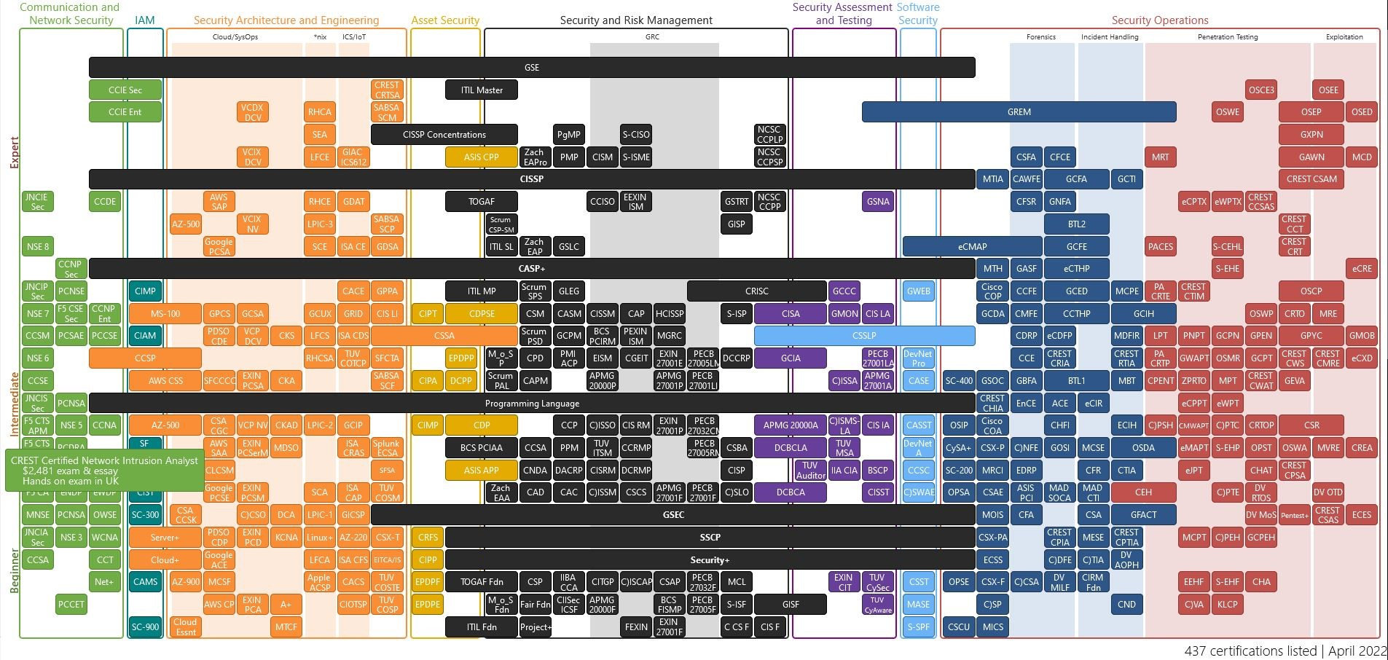
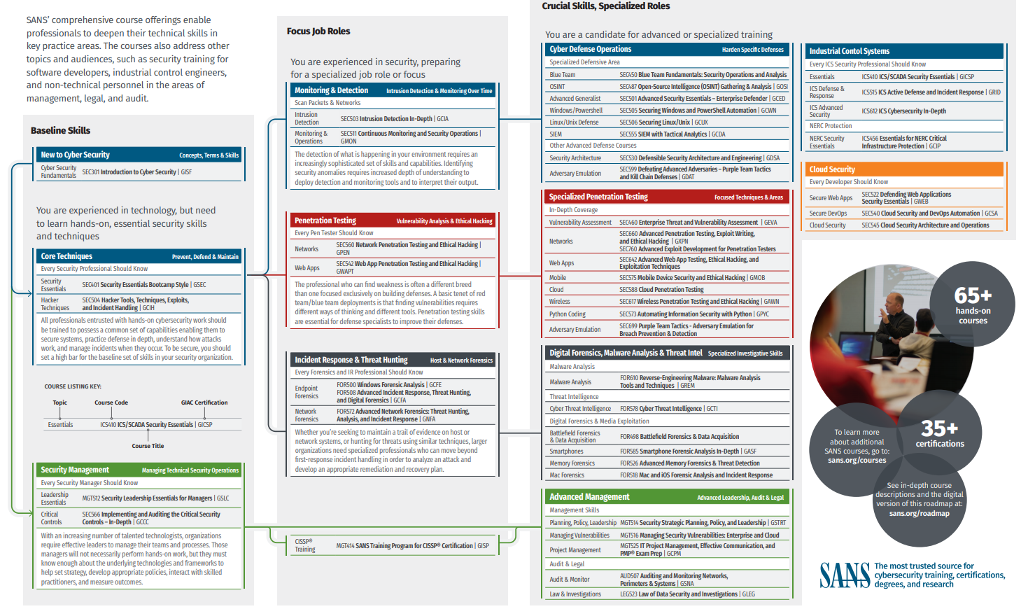
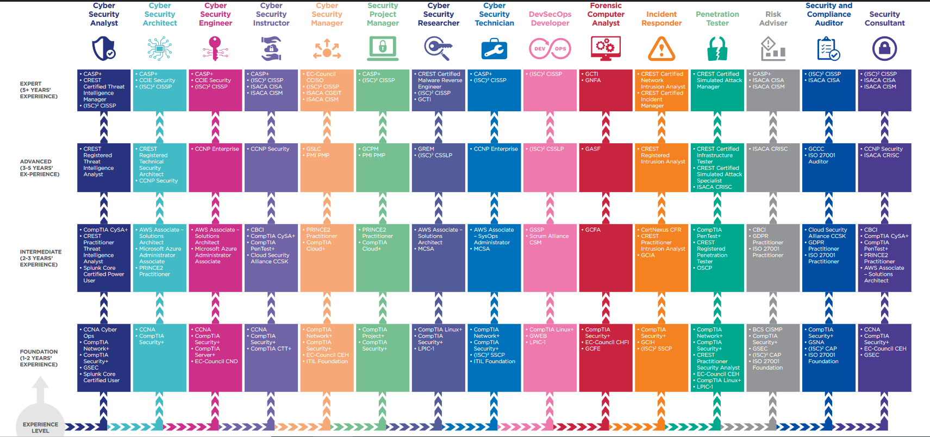
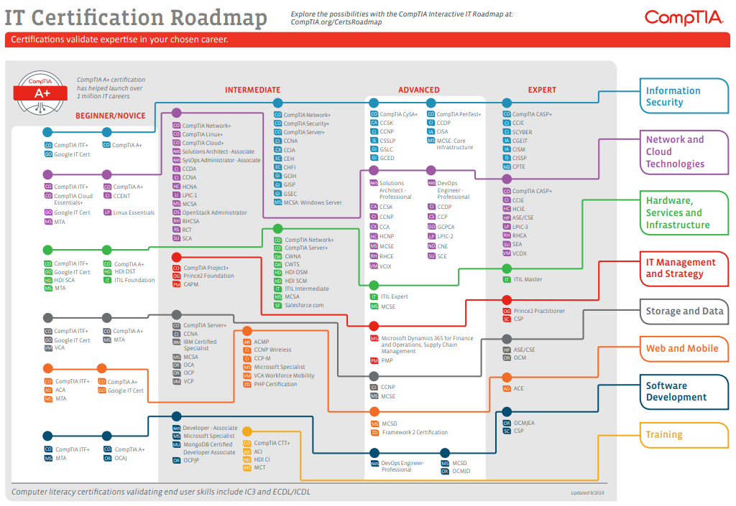
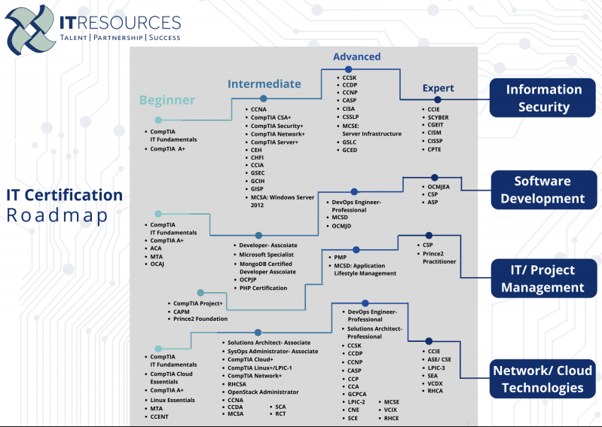
Certification Tracker
Certification | Organization | Award Date | Exam Cost | Renew Date | Days Remaining | Renewal Method | CPEs Required | Renewal Cost | Status | Comments
CySA+ | CompTIA | 2020-06-22 | $381.00 | 2023-06-22 | 446 | CPEs | 60 | $150.00 | Active |  | You are free to fill in any details you want. Even add or delete columns as necessary for your desires. Do be aware that some columns use formulas referencing other columns, prior to deleting any. Since this is your cyber journey, plan it anyway you want! Hints: - If the cert does not expire, enter "N/A" in column E - Columns H and I rely on G, if those are left empty that is ok, they may not be applicable - If a cell is misbehaving due to the formula in it, remove the formula for that cell and insert whatever you wish
Security+ | CompTIA | 2018-05-07 | $381.00 | 2023-05-07 | 400 | CPEs | 50 | $150.00 | Active
CyberSec First Responder (CFR) | CertNexus | 2022-01-15 | $350.00 | 2025-01-15 | 1019 | CPEs | 90 | $150.00 | Active
INE Certified Cloud Associate | INE | 2022-03-12 | $99.00 | 2025-03-12 | 1075 | Retake | 0 | $99.00 | Active
Network Security Associate (NSE) 2 | Fortinet | 2021-01-15 | $0.00 | 2023-01-15 | 288 | Retake | 0 | $0.00 | Active
Network Security Associate (NSE) 1 | Fortinet | 2019-12-10 | $0.00 | 2021-12-10 | -113 | Retake | 0 | $0.00 | Expired
Security Pro | TestOut | 2019-05-06 | $0.00 | N/A | Does Not Expire | N/A | 0 | $0.00 | Active
Certification Wishlist
Desired Certification | Organization | Want Date | Exam Cost | Renew Date | Days Remaining | Renewal Method | CPEs Required | Renew Cost | Status | Comments
AZ-900 | Microsoft | 2022 |  |  |  | Retake |  |  | Planned
SC-900 | Microsoft | 2022 |  |  |  | Retake |  |  | Planned
CISSP | ISC(2) | 2022 |  |  |  | CPEs |  |  | Planned
MITRE CTI | MITRE | 2022 |  |  |  | Retake |  |  | Planned
MITRE SOC | MITRE | 2022 |  |  |  | Retake |  |  | Planned
CISM | ISACA | 2023 |  |  |  | CPEs |  |  | Planned
CTIA | EC-Council | 2023 |  |  |  | Retake |  |  | Planned
IFPC | DoD | 2023 |  |  |  | Retake |  |  | Planned
GCTI | GIAC | 2023 |  |  |  | Retake |  |  | Planned
Blue Team 1 | Security Blue Team | 2023 |  |  |  | Retake |  |  | Planned
CASP+ | CompTIA | 2024 |  |  |  | CPEs |  |  | Planned
GCISO | GIAC | 2024 |  |  |  | Retake |  |  | Planned
CISA | ISACA | 2025 |  |  |  | CPEs |  |  | Planned
OSCP | Offensive Security | 2026 |  |  |  | CPEs |  |  | Planned

Insert a Visual Roadmap of Your Choice. Below are examples but use whatever you want!

